Summary
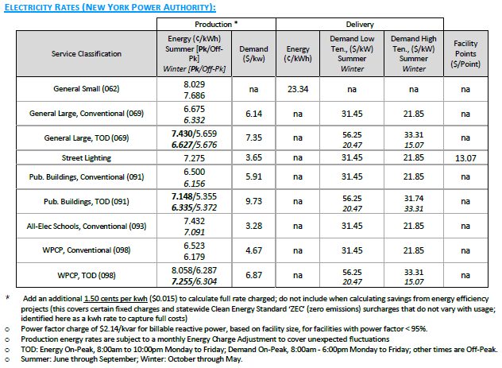
Table A: Building Site Information |  |  | Table B: Utility Rates
Building Site Information |  |  | Utility Rates
Project Name | K067 |  | Electricity (non-demand) Usage $/kWh (avg) |  | $0.0720
Project Address | 51 St. Edwards St. |  | Electricity Demand $/kW |  | $34.73
Building Area (ft²) | 121,000
No. of Floors | 5
Lot Area (ft²) | 113,381
Depth to Bedrock (ft) | 123

NYC Geothermal Pre-feasibility Tool: |  | https://www1.nyc.gov/assets/ddc/geothermal/geothermalTool.html

Table 1: SCA Geothermal Feasibility Tool Results
 | Geothermal System |  | Standing Column Well | Closed Loop | Open Loop
1 | Geological and Technical Suitability (Yes/No) |  | Yes | Yes | No

Is a Geothermal Feasibility Study Required |  |  | Yes

Table 2: SCA Geothermal Feasibility Tool Results Continued
 | Geothermal System |  | Standing Column Well | Closed Loop | Open Loop
1 | Potential Capacity (Tons) |  | 1092 | 594 | 328
2 | Full System Feasibility (Yes/No) |  | Yes | Yes | No
3 | Carbon Footprint Reduction (Tons CO2e) |  | 216 | 219 | -
4 | Annual Cost of Carbon ($) |  | $29,387 | $29,767 | -

Table 3: SCA Geothermal Feasibility Study Results
Type of Systems Studied |  | Capital Cost Estimate (Plant) |  | Yearly Maintenance Cost |  | Electric Cost (Yearly) | Cost of Carbon (Year) | Cost of Carbon (Site Cost) | System Life Expectancy |  |  | Net Present Value |  | Lowest Net Present Value?
 |  | Low | High | Low | High |  |  |  |  |  |  | Low | High | Low | High
SCA Standard HVAC System (Air-Source Heat Pump RTUs) |  | $3,680,820 | $7,381,000 | $3,000 | $5,000 | $122,841 | 2023 | $17,789 | 15 | To | 19 | $5,981,411 | $9,925,969 | Yes | Yes
Geothermal Closed Loop |  | $5,127,155 | $11,953,052 | $1,220 | $1,830 | $110,301 | 2023 | $16,571 | 15 | To | 19 | $7,147,425 | $14,167,957 | No | No
Geothermal Standing Column |  | $4,377,914 | $9,656,741 | $24,400 | $48,800 | $92,474 | 2023 | $13,648 | 15 | To | 19 | $6,441,330 | $12,333,115 | No | No
Geothermal Open Loop |  | N/A | N/A | N/A | N/A | N/A | N/A | N/A | N/A | To | N/A | N/A | N/A | N/A | N/A

Is a Geothermal System Required |  | No | No
 |  | (Low) | (High)
Table C: SCA Standard HVAC Baseline System
Baseline System Type |  | Cooling Load (ft²/ton) | Cooling Load (tons) | Baseline Heating System Type |  | Heating Load (Btuh/ft²) | Heating Load (MBH)
SCA Standard HVAC System (Air-Source Heat Pump RTUs) |  | 450 | 269 | SCA Standard HVAC System (Air-Source Heat Pump RTUs) |  | 25 | 3,025

Baseline Systems
Cooling Systems
Cooling Type |  |  | Size Category (Btu/h) | EER | IEER
Air-Source Heat Pump |  |  | ≥240,000 | 9.3 | 10.4
Data for air-cooled heat pump based on ASHRAE 90.1-2016, Table 6.8.1-2.

Heating Systems
Heating Type |  |  | Size Category (Btu/h) | Heating COP
Air-Source Heat Pump |  |  | ≥135,000 | 2.9
Data for air-cooled heat pumps based on ASHRAE 90.1-2016, Table 6.8.1-2. Effective Heating COP is an estimated value based on equipment performance data rated at approximate average NYC winter temperature.

Geothermal Systems
System Type | Equipment Type |  | Rating Condition | Minimum Efficiency | Efficiency Unit | Well Water Delta T
Closed Loop | Ground Source brine to air (cooling mode) |  | 77°F entering water | 14.1 | EER | 10
 | Ground Source brine to air (heating mode) |  | 32°F entering water | 3.2 | COP | 10
 | Ground Source brine to water (cooling mode) |  | 77°F entering water | 12.1 | EER | 10
 | Ground Source brine to water (heating mode) |  | 32°F entering water | 2.5 | COP | 10
Open Loop/ Standing Column | Groundwater Source water to air (cooling mode) |  | 59°F entering water | 18 | EER | 10
 | Groundwater Source water to air (heating mode) |  | 50°F entering water | 3.7 | COP | 10
 | Groundwater Source water to water (cooling mode) |  | 59°F entering water | 16.3 | EER | 10
 | Groundwater Source water to water (heating mode) |  | 50°F entering water | 3.1 | COP | 10
Data based ASHRAE 90.1-2016 Table 6.8.1-2. All equipment types assumed to be less than 135,000 Btu/h.

Pump Power Requirements
Maximum Hot Water Pumps (W/gpm) | Maximum CHW Pumps (W/gpm) | Maximum CW Pumps (W/gpm) | Maximum Well Field Pumps (W/gpm) | Water Cooled Chiller Cooling Tower Fan (gpm/HP)
19 | 22 | 19 | 22 | 40.2
Data based on ASHRAE 90.1 2016 and assumption that a well water system would be designed with the same parameters of a CHW system and cooling tower fan would meet minimum induced draft tower efficiency requirements.

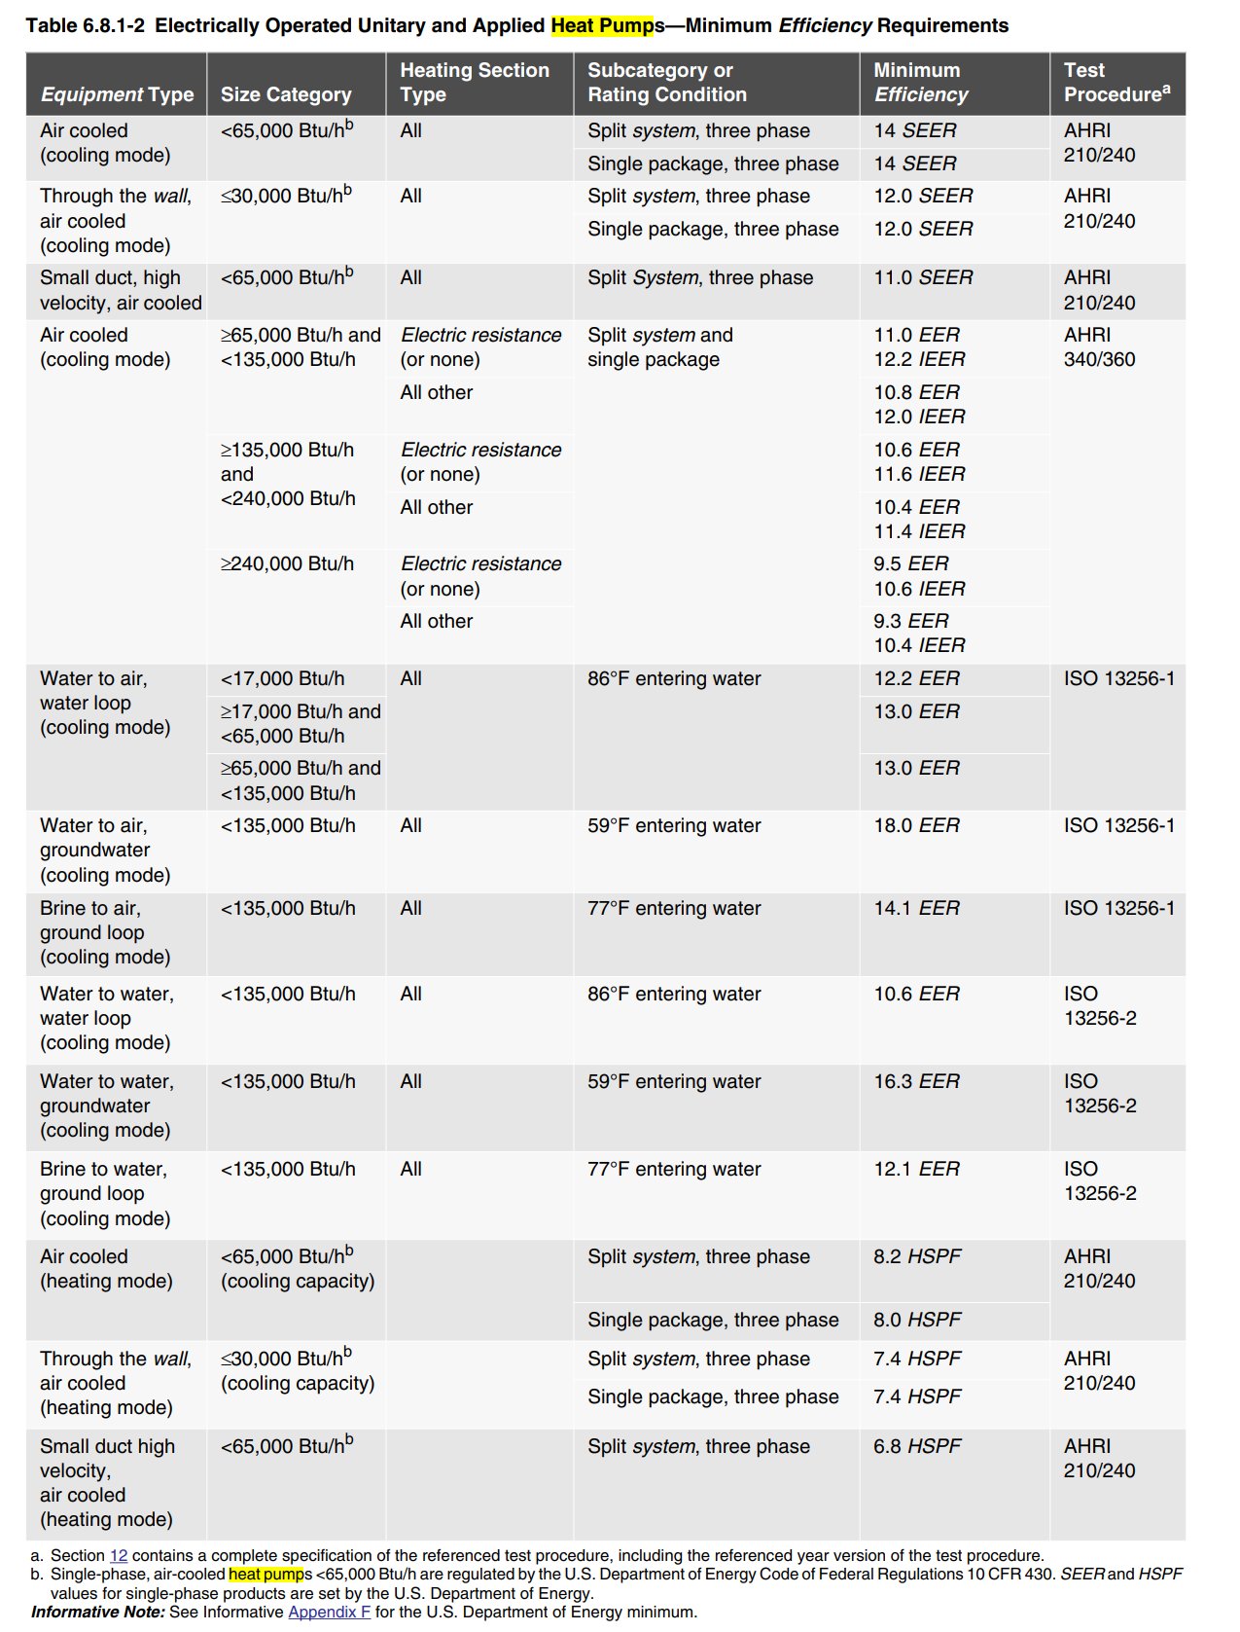
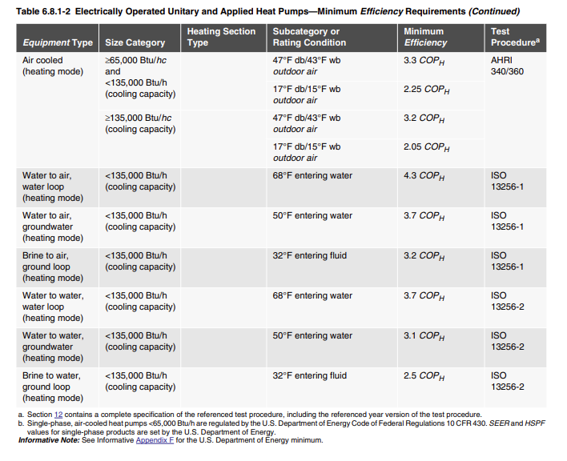

ASHRAE 90.1 - 2016

