1,2,3 Information
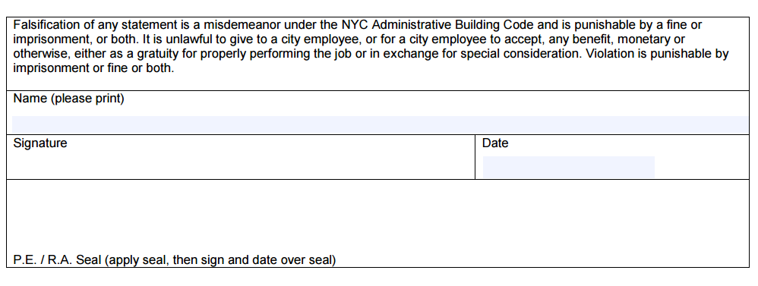
Enter information for sections 1, 2 and 3 - incorporate in the drawing set.

Must be typewritten
1 | Location Information
 | House No(s) | Street Name
 | Borough | Block | Lot | BIN |  | CB No.
 | Work on Floor(s) |  |  |  | Apt/Condos No(s)

2 | Applicant Information
 | Last Name |  | First Name |  |  |  |  | Middle Initial
 | Business Name |  |  |  | Business Telephone
 | Business Address |  |  |  | Business Fax
 | City | State |  | Zip |  |  | Mobile Telephone
 | Email |  |  |  |  | License Number

3 | Energy Modeling Information
 | Modeling Software & version
 | Weather File
 | Modeled Square Feet
 | Conditioned SQFT
 | Proposed Unmet Load Hours
 | Baseline Unmet Load Hours
 | Proposed Site EUI (kBtu/sf)
 | Baseline Site EUI (kBTU/SF)

6b. Fenestration
6b | Vertical Fenestration
Model Input Parameter |  | Category (Res/Non-Res) |  | Baseline Case |  |  |  | Proposed Case |  |  |  | Supporting Doc. Location | Model Output Report
 |  |  | Item # | Description (from ASHRAE) | U-factor | SHGC | VLT | Description (from design) | U-factor | SHGC | VLT
Vertical |  |  | 1 |  |  |  |  |  |  |  |  |  | LV-D, LV-H
Vertical |  |  | 2 |  |  |  |  |  |  |  |  |  | LV-D, LV-H
Vertical |  |  | 3
Vertical |  |  | 4
Vertical |  |  | 5
Vertical |  |  | 6
Vertical |  |  | 7
Skylight |  |  | 1 |  |  |  |  |  |  |  |  |  | LV-D, LV-H
Skylight |  |  | 2
Shading Devices |  |  |  | ☐No shading projections, manual shading devices, or self-shading have been modeled. |  |  |  | List any permanent or auto-controlled shading devices:
 |  |  |  | ☐Any shading by adjacent structures has been modeled identically to the proposed case.

How were the Proposed case framed assembly fenestration U-factors determined? (Choose one)
☐NFRC testing for site-assembled fenestration
☐NFRC testing for manufactured fenestration assemblies
☐Table A8.2 (windows) and Table A8.1 (skylights)
☐LBNL Window 5 or Window 6 calculations
☐Energy simulation includes separate frame and glazing
☐Other (Describe)_________________________
How were the Proposed case framed assembly fenestration U-factors determined? (Choose one)
☐NFRC testing for site-assembled fenestration
☐NFRC testing for manufactured fenestration assemblies
☐Table A8.2 (windows) and Table A8.1 (skylights)
☐LBNL Window 5 or Window 6 calculations
☐Energy simulation includes separate frame and glazing
☐Other (Describe)_________________________

